Real Valued QC
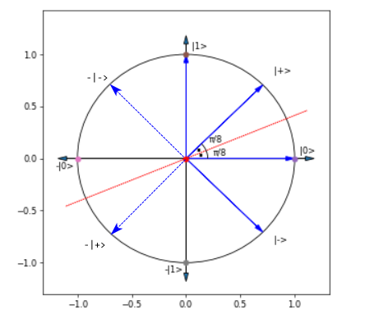 Notes | Resultant State of REAL VALUED Qubit after appliying Given Op | Operator Matrix | |0> | |1> | |+> | |-> | -|0> | -|1> | -|+> | -|->
 | Vector Notation | NA
Identity changes nothing. | After applying I |  | |0> | |1> | |+> | |-> | -|0> | -|1> | -|+> | -|->
Reflect(t=pi/8) | Line of reflection passes through the origin making an angle pi/8 x-axis. | After applying H |  | |+> | |-> | |0> | |1> | -|+> | -|-> | -|0> | -|1>
Reflect(t=pi/4) | Line of reflection x=y. Also called Flip or NOT. Flips 1 to 0 and + to - | After applying X |  | |1> | |0> | |+> | -|-> | -|1> | -|0> | -|+> | |->
Reflect(t=pi/2) | Line of reflection is x-axis i.e. y=0 | After applying Z |  | |0> | -|1> | |-> | |+> | -|0> | |1> | -|-> | -|+>

